FLow Chart
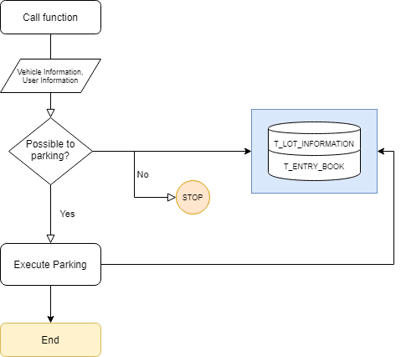
Document_Name | Park new car to free area | Write Date | 2020-05-05 | Writer | Rick

